School admission form
Testcase No | Assumptions | Testcase Criteria | Testcase Steps | Expected Result | Actual Result | Testcase Result
TC_001 | School admission form is available to test | Check if the font, font style, colour, background,logo,images, text are as per the requirement | 1. Open the school admission form. 2. Check for font, font style, colour, background,logo,images,text | The font, font style, colour, background,logo,images,text should be as per the requirement | The font, font style, colour, background,logo,images,text are as per the requirement | PASS
TC_002 | School admission form is available to test | Check if the first name and last name are taking only alphebet values | 1. Open the school admission form. 2. Enter the numeric/special charatcers in the text field | The system should flag an error | The system flag an error | PASS
TC_003 | School admission form is available to test | Check if the dropdown has the classes client has asked for | 1. Open the school admission form. 2. Open the dropdown/combobox/select box. 3. Check the values in the dropdown | The values in the dropdown should be as per the requirement document | The values in the dropdown are as per the requirement document | PASS | 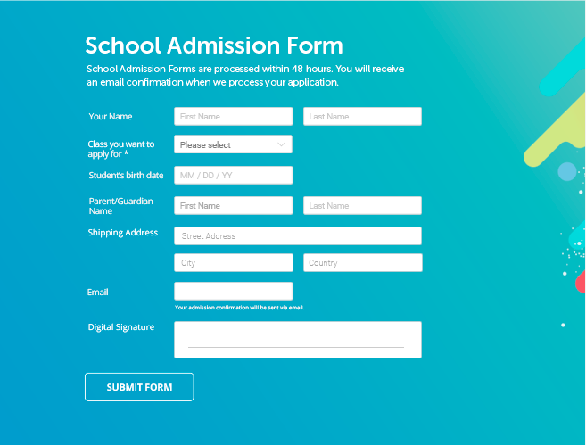
TC_004 | School admission form is available to test | Check if the "student birth date" field excepts only numeric values | 1. open the School admission form. 2. enter alphabet values in "student birth date" field | The system should not allowed to enter alphabet values in field | The system allowed alphabet values in filed | FAIL
TC_005 | School admission form is available to test | Check if email field doesn´t accept invalid form of an email adress (without @ or .) | 1. open the School admission form. 2. enter invalid form of email adress (user12gmail) in email filed | The system should show warning massage for wrong form of an email adress | Zhe system show warning massage for wrong form of an email | PASS
TC_006 | School admission form is available to test | Check if "submit form " button do not accept request for submiting if one of the required filed is empty | 1. Open the School admission form. 2. Leave one required filed empty 3. Press "submit form" button | The system should not accept request and a warning massage sholud appeal on screen | The system doesn´t accept request and a warning massage appeal on screen | PASS

